Instructions
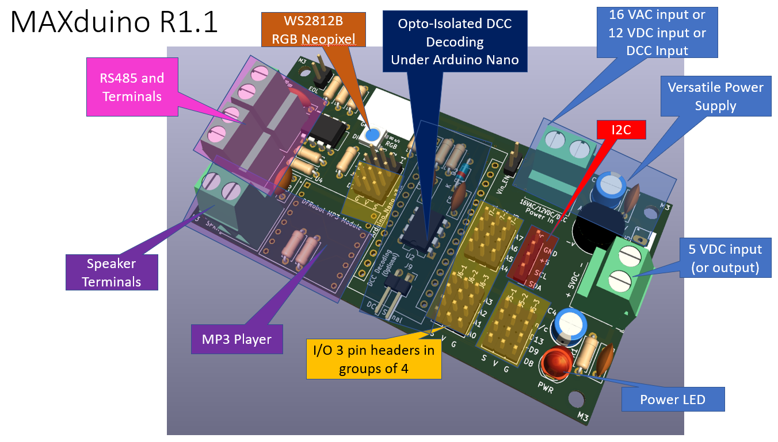
 | MaxDuino Assembly Instructions R1.1
 | Known Issues | None. This document is draft and will be updated as needed.
Step | Action | Comments
 |  | With the MaxDuiono PCB there is some flexibility in which functions you wish to implement, and therefore what parts you need to include or not. (for example you may not wish to include the MP3 player module). To facilitate this a tab in this workbook is a configuration sheet that allows you to pick the features you want a given PCB to have. This then produces a consolidated parts list for just those features. The assembly instructions are broken down into sections (on the brown tabs below) according to the functions. So .. start with these 3 instructions:
1 | Make Choices | On the features tab chose the features you want on up to 5 different MaxDuino modules
2 | Review consolidated BOM | The consolidated BOM lists the parts you need to implement the features you have selected. There is a column where you can put your parts on hand I have included links for many of them. Note that in many cases you are buying in bulk (say 10 pieces where you may only need 2). Generally this is still more economical. Pricing is highly variable and was current as of June 2023. Shipping reflects my location (Canada) .. yours will of course be different.
3 | Wait for Parts | Organize your parts and workspace. You will need a soldering iron (pencil type preferred) and some acid free electronics solder. A small bead of 'bluetack' putty is very helpful but not strictly required. (to hold the components in place when you flip the circuit board over to solder that first lead in place.)
 | General advice | Before soldering use the Printed Circuit Board (PCB) as a guide and bend diode and resistor leads 90 degrees so they match the hole spacing on the PCB. In general it is a best practice is to start with the smaller parts closest to the surface of the PCB and work on up to the taller / larger parts. Solder only one component onto the board at a time AND also solder only one lead of that component. Flip the PCB over and verify proper orientation and fit to the board before resuming soldering the remaining leads and moving onto the next component. As parts are soldered into place the excess leads can be trimmed off the bottom using small cutters.

Consolidated BOM
References | Value | Needed Count | On Hand | To Get | Supplier | Description | Link | Multiplier | Qty | Unit Price | Shipping | Extended Price (Needed Parts Only) | Extended Price (All Parts)
A1 | Arduino_Nano_v3.x (Check MaxDuino PCB also) | 1 | 0 | 1 | AliExpress | Atmega328P with Mini USB (Needs Soldering) | Link | 1 | 1 | $2.93 | $1.42 | $4.35 | $4.35
 | Female Header Pins for Arduino | 1 | 0 | 1 | AliExpress | 10 pieces 1x40 female header pin | Link | 0.1 | 1 | $2.45 | $2.00 | $0.45 | $0.45
 | Female Header Pins for MP3 module | 1 | 0 | 1 | AliExpress | 10 pieces 1x40 female header pin | Link | 0.1 | 1 | $2.45 | $2.00 | $0.45 | $0.45
C1,C4 | 220uF 25VDC | 2 | 0 | 2 | AliExpress | 20 pieces Electrolytic Capacitor | Link | 0.05 | 2 | $1.03 | $2.53 | $0.36 | $0.36
C2, C3, C6, C7, C8 | 100nF (0.1uF) commonly marked as 104 | 5 | 0 | 5 | AliExpress | Qty 100 50V Ceramic | Link | 0.01 | 5 | $1.19 | $1.72 | $0.15 | $0.15
C5 | .001uF commonly marked as 102 | 1 | 0 | 1 | AliExpress | Qty 100 50V Ceramic | Link | 0.01 | 1 | $1.19 | $1.72 | $0.03 | $0.03
D1 | B40C1500G | 1 | 0 | 1 | AliExpress | 10 pack of 2 AMP Bridge Rectifier | Link | 0.1 | 1 | $1.73 | $1.61 | $0.33 | $0.33
D2 | PWR LED | 1 | 0 | 1 | AliExpress | Assorted LEDs | Link | 0.01 | 1 | $5.49 | $0.29 | $0.06 | $0.06
D3 | 1N914 | 1 | 0 | 1 | AliExpress | Qty 100 Fast Acting Signal Diode | Link | 0.01 | 1 | $1.52 | $1.56 | $0.03 | $0.03
D4 | Inolux_IN-PI554FCH | 1 | 0 | 1 | AliExpress | WS2812B Neopixel (White surface mount) | Link | 0.1 | 1 | $1.24 | $- | $0.12 | $0.12
J1, J3, J16, J17, J19 | Screw Terminals | 5 | 0 | 5 | AliExpress | 20 pack of Small screw Terminals for PCB | Link | 0.05 | 5 | $1.68 | $1.91 | $0.90 | $0.90
J2, JR7 | 2 pin male header | 2 | 0 | 2 | AliExpress | 10 pieces 40 pin header | Link | 0.005 | 2 | $0.86 | $1.43 | $0.02 | $0.02
J4-1, J5-1, J6-1, J7-1, J8 | 4 pin header Yellow | 5 | 0 | 5 | AliExpress | 10 pieces 40 pin header | Link | 0.01 | 5 | $0.86 | $1.43 | $0.11 | $0.11
J4-2, J5-2, J6-2, J7-2 | 4 pin header Red | 4 | 0 | 4 | AliExpress | 10 pieces 40 pin header | Link | 0.01 | 4 | $0.86 | $1.43 | $0.09 | $0.09
J4-3, J5-3, J6-3, J7-3 | 4 pin header Black | 4 | 0 | 4 | AliExpress | 10 pieces 40 pin header | Link | 0.01 | 4 | $0.86 | $1.43 | $0.09 | $0.09
J9 | 2 pin right angle male header | 1 | 0 | 1 | AliExpress | 10 pieces 40 pin right angle header | Link | 0.01 | 1 | $1.23 | $1.61 | $0.03 | $0.03
R7 | 120R | 1 | 0 | 1 | AliExpress | Qty 100 1/4 watt 5% Resistor | Link | 0.01 | 1 | $0.64 | $1.35 | $0.02 | $0.02
R13 | 330R | 1 | 0 | 1 | AliExpress | Qty 100 1/4 watt 5% Resistor | Link | 0.01 | 1 | $0.64 | $1.35 | $0.02 | $0.02
R5 | 680R | 1 | 0 | 1 | AliExpress | Qty 100 1/4 watt 5% Resistor | Link | 0.01 | 1 | $0.64 | $1.35 | $0.02 | $0.02
R2, R6 | 1K | 2 | 0 | 2 | AliExpress | Qty 100 1/4 watt 5% Resistor | Link | 0.01 | 2 | $0.64 | $1.35 | $0.04 | $0.04
R4 | 470R | 1 | 0 | 1 | AliExpress | Qty 100 1/4 watt 5% Resistor | Link | 0.01 | 1 | $0.64 | $1.35 | $0.02 | $0.02
R1 | 6.8K | 1 | 0 | 1 | AliExpress | Qty 100 1/4 watt 5% Resistor | Link | 0.01 | 1 | $0.64 | $1.35 | $0.02 | $0.02
R10, R11, R12 | 10K | 3 | 0 | 3 | AliExpress | Qty 100 1/4 watt 5% Resistor | Link | 0.01 | 3 | $0.64 | $1.35 | $0.06 | $0.06
R8, R9 | 20K | 2 | 0 | 2 | AliExpress | Qty 100 1/4 watt 5% Resistor | Link | 0.01 | 2 | $0.64 | $1.35 | $0.04 | $0.04
U1 | L7805 T0220 | 1 | 0 | 1 | AliExpress | Qty 50 5 Volt Regulator | Link | 0.02 | 1 | $2.49 | $1.75 | $0.08 | $0.08
HeatSink | Optional T0220 Heatsink for U1 | 1 | 0 | 1 | AliExpress | Qty 10 heat sink with Mounting hardware | Link | 0.1 | 1 | $1.16 | $2.42 | $0.36 | $0.36
U2 | 6N137 8 pin DIP | 1 | 0 | 1 | AliExpress | OptoIsolator | Link | 0.1 | 1 | $2.24 | $1.56 | $0.38 | $0.38
U3 | MAX485E 8 pin DIP | 1 | 0 | 1 | AliExpress | 10 pack Transceiver Chip | Link | 0.1 | 1 | $1.42 | $1.56 | $0.30 | $0.30
U4 | DFRobot MP3 | 1 | 0 | 1 | AliExpress | Qty 10 DFRobot MP3 Module | Link | 0.1 | 1 | $11.05 | $6.54 | $1.76 | $1.76
SPKR | 8 ohm 3 watt | 1 | 0 | 1 | AliExpress | 3 watt speaker | Link | 0.5 | 1 | $0.90 | $4.99 | $2.95 | $2.95
SD Card | any capacity under 32 GB | 1 | 0 | 1 | AliExpress | Small Capacity SD Card (32GB MAX) | Link | 1 | 1 | $2.00 | $3.00 | $5.00 | $5.00
PCB | MaxDuino Printed Circuit Board | 1 | 0 | 1 | JLCPCB | Min order is 5 PCBs (2 ccts per) | Link | 0.1 | 1 | $5.00 | $10.00 | $1.50 | $1.50

Prices are shown in Canadian Dollars obtained from AliExpress June 12 2023.
 |  |  |  |  |  |  |  |  |  |  | Total | $20.13 | $20.13
 |  |  |  |  |  |  |  |  |  | Extras | Lump Sum | $- | $-
 |  |  |  |  |  |  |  |  |  | Extras (as %) | 0% | $- | $-
 |  |  |  |  |  |  |  |  |  |  | All in | $20.13 | $20.13

DCC Decoder and Arduino
 | MaxDuino Assembly Instructions R1.1
 | Known Issues | None.
Step | Action | Comments
Opto-Isolated DCC Signal pickoff to Arduino (optional)
C1 | C5 (.001uF) (Marked 102) C8 (0.1uF) (Marked 104) | Because most of these components are phyiscally under the Arduino it is most convenient to install them before the arduino header pins are installed. Install and solder C5 and C8 where indicated on PCB. Orientation is not important. | Figure 2
C2 | R2 (2K2), R4 (470R) | Install and solder where indicated on PCB. Orientation is not important. Note: R3 is no longer used as of Rev 1.1 PCB
C3 | D3 | Locate and install the glass diode D3. Note that diodes are 'direction sensitive'. You must install it so the black stripe on the diode matches up with the white stripe on the PCB.
C4 | U2 (6N137) | The 6N137 is the opto isolator for the DCC signal into the Arduino. Orientation is very important. On the part there is a small embossed circle indicating Pin 1. This pin goes at the end of the stencil that has the U shaped notch in it. A further check is that Pin 1 goes to the square solder pad (the other 7 solder pads for this 8 pin DIP are round.). Using an 8 pin DIP socket is possible if desired and if header pins are sued for the Arduino.
C5 | J9 | If you ARE powering the board by DCC do not modifiy the circuit board and this header pin is not needed. This header pin is used to inject a DCC signal into the decoder circuitry when you are NOT powering the board by DCC. NOTE: If this is your situation then there are two traces on the bottom of the board that must also be scratched open (Isolation points marked with an X). J9 is a 90 degree 2 pin male header.
Step | TEST | Observation
T5 | Visual | A quick visual check verifying component placement and no solder splatter.
Arduino |  |  | Figure 3
D1 | Arduino NANO R3 | Some Arduino NANO's are not assembled. All this means is the header pins must be soldered to the Arduino board itself before the Arduino can be used. If this is the case assemble your Arduino now and come back. The Arduino should look like as shown at right.
D2 | NANO Header Pins | The Arduino NANO can be soldered directly to the PCB if you wish. Check beneath the board to ensure an air gap exists to the opto islator chip mounted below. Optionally (my preference) is to use female Header Pins so the NANO is socketed to the PCB. A seperate detail page is included for preparing the female header pins should you wish to do this.
D3 | Optionally Install I/O Header Pins to match your requirements. | The PCB has the facility for a large number of header pins for the input and output pins of the Arduino. Referring to the schematic at right the pins will be installed as vertical runs of 4 pins which can be colour coded. (V = Red, G = Black, S = Yellow. See photo tab for my example). The colour is cosmetic and does not affect the functionality of course. In use these terminals will be used as a horizontal set of 3 ( S, V, G). There is also a 4 pin header for I2C communications. | Figure 4
Step | TEST | Observation
T6 | Visual Check | Install the Arduino and verify it is the right way round. The USB plug on your NANO should be on the opposite side from the power screw terminals installed earlier.
T7 | Its alive! | Apply your input power as was done previously. Most Arduinos ship with a factory default blink program installed. If this is the case upon power up one of The NANO's on board LEDs should blink. Note: No USB cable is needed - the PCB is running from the power supply you finished earlier. You may wish to use a USB cable and verify you can load an example program into the NANO for added confidence.
T8 | Turn off and Disconnect Power | If all tests have passed then proceed to the next section.

Figure 2

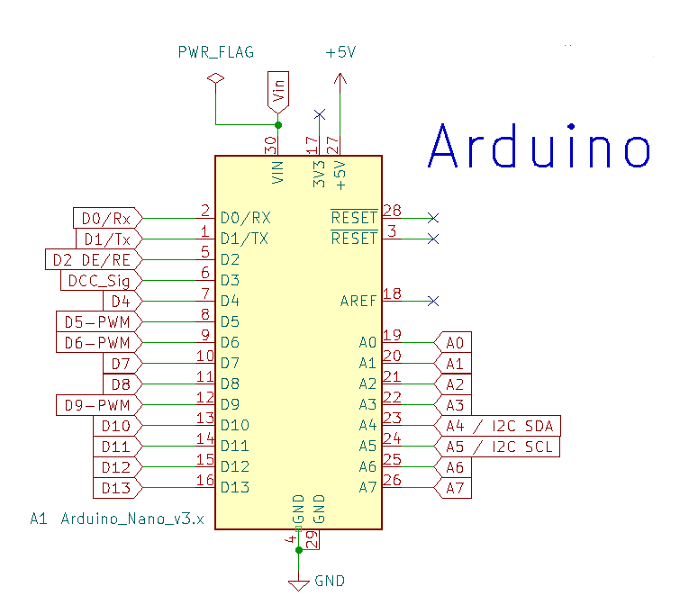

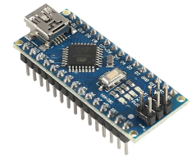

Figure 3

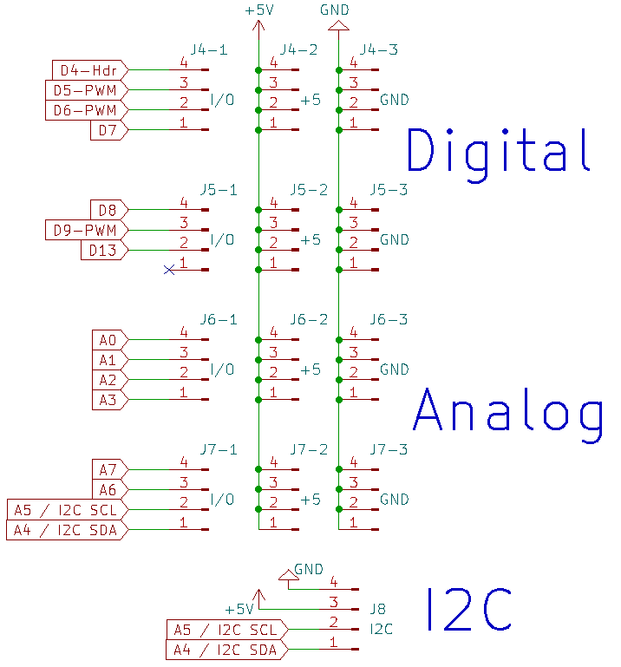

Figure 4

Finish Up
 | MaxDuino Assembly Instructions R1.1
 | Known Issues | None.
Step | Action | Comments
RGB NeoPixel (optional)
E1 | D4 WS2812 NeoPixel | This is a surface mount component, rectangular in shape, with 4 small solder tabs near the corners. Orientation is important. Notice on chip itself there is a small triangular cutout in one corner. This is indicating the ground pin location and it matches a small white stencil triangle on the PCB (Figure 6). To install this component melt a small dab of solder on the ground pin pad near the triangle, then put the chip in location over all four pads and reheat that one pad without letting the chip move. Double check the orientation. and proceed to apply dabs of solder to the other 3 corners. If you are equipped to use solder paste on the pads that is also an option of course. | Figure 5 Figure 6
E2 | R13 (330R) | Install and solder where indicated on PCB. Orientation is not important.
DFRobot MP3 Player (optional)
F1 | R5 (680R), R6 (1K) | Install and solder where indicated on PCB. Orientation is not important. Note: these resistors will be under the DFRobot module and cannot easily be retrofitted if you omit them now. | Figure 7
F2 | C6 (104) | Install and solder where indicated on PCB. Orientation is not important.
F3 | U4 DF-Robot MP3 Module | My preference here is to install female header pins similar to what was done for the Arduino. Alternately the player can be soldered directly to the PCB however note there are resistors in the space under the module. The MP3 module is installed so that the SD card slot is facing to the outside edge of the PCB. Once the leads are aligned with the holes (a little gentle poking and prodding might be needed) push the module so that about 1 mm of the leads protrude through the bottom of the PCB. This is not critical but you don't want to damage or press against the resistors you just installed underneath.
F4 | J19 | Solder in the Screw terminals for the speaker connection to MP3 player.
RS-485 Communications to Arduino (optional)
G1 | R7 (120R), R8 (20K) R9 (20K), R10 (10K) R11 (10K), R12 (10K) | Install and solder where indicated on PCB. Orientation is not important. | Figure 8
G2 | C7 (104) | Install and solder where indicated on PCB. Orientation is not important.
G3 | JR7 EOL Jumper | Near the EOL resistor R7 is a two pin header. If a jumper is installed on this headrer R7 is brought into the circuit as an end of Line resistor. With no jumper installed R7 is not in circuit. There should only ever be two EOL resistors in any one RS485 network (One of those is normally in the USB interface at the computer end of the network.) Thus only one MAxDuino needs to have a R7 jumper installed.
G4 | U3 (MAX485) | The MAX 485 chip is an 8 pin Dual in Line package. It can be socketed if desired. Be sure to observe orientation with the U shaped notch on the PCB.
G5 | J16, J17 RS485 out / in | Solder in the Screw terminals for the RS485 network connection. Note: the two sets of RS485 screw terminals are in parallel with each other. They facilitate daisy chaining of the network without needing any external terminals.
Step | TEST | Observation
T9 | Final Check | It is recommended to repeat the power test at this stage as all of the components are now installed. Note: At this point of the build and depending on your input voltage the regulator might get very slightly warm but under no circumstances should it be too hot to touch.
 | Software Tests | At this point the board is built and presumed operational. Next various test programs can be downloaded to the Arduino in order to verify correct operation of each of the on board subsytems.
 |  | A large white square of stencil area is provided for you to write (using a sharpie marker for example) a letter or number code so you can track individual boards should you wish.

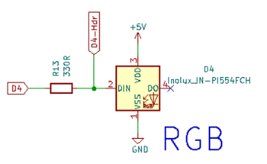
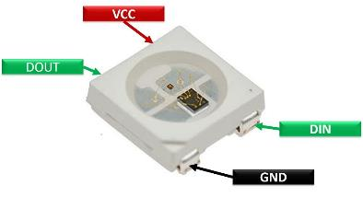

Figure 5

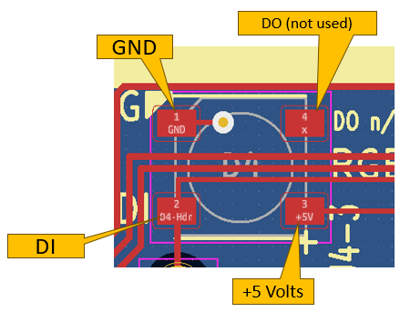

Figure 6

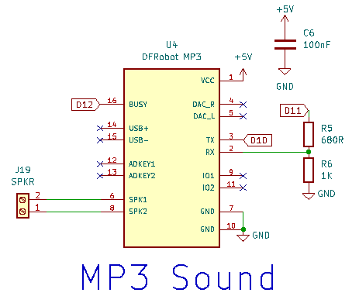

Figure 7

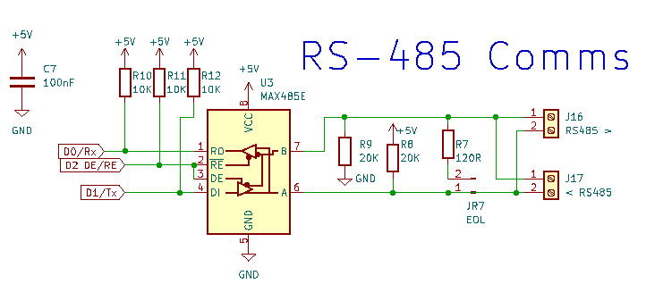

Figure 8

Schematic
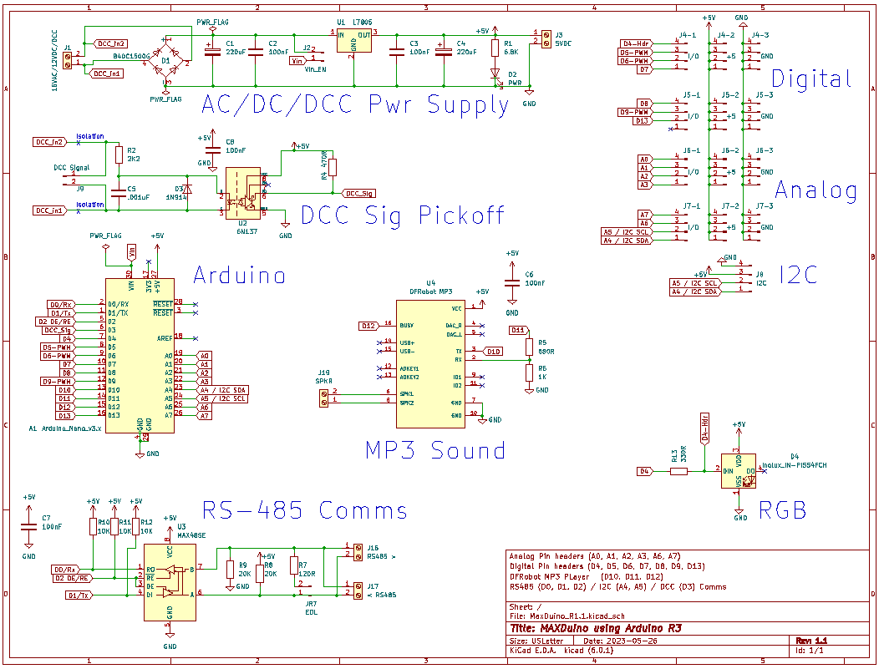

Block Diagram
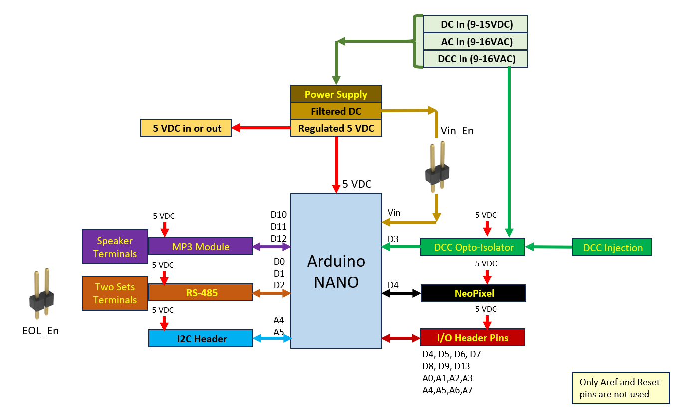

Photos

MaxDuino Photos

 | General | A small bead of blue tac putty is very handy for holding small parts into the PCB while you flip it over and solder them. Only solder one lead on one component and then check to make sure that component is seated properly and oriented the correct way around. Then remove the blue tack and resume soldering the other leads.

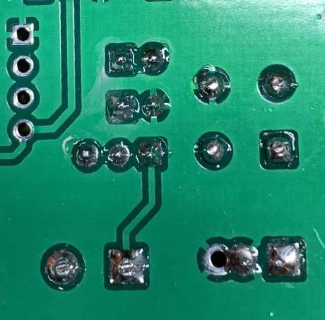
 | Check your Work Frequently | Typical Printed Circuit Board (PCB) shown

 |  | Look carefully at each solder connection to ensure it is good.
 |  | Too much solder is as bad as too little.
 |  | A nice shiny volcano shape is what you are after.
 |  | Also look for bridging or solder splatter..
 |  | In this photo the clear coating from the manufacturing process has bubbled in couple of places (from the heat of soldering iron).
 |  | This is perfectly ok but is worth a close look to ensure that is all it is.

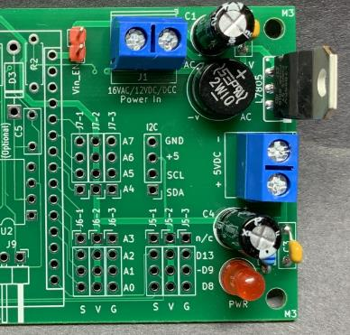
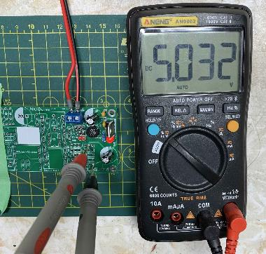
 | Power Supply Section | For reference here is the power supply section.
 |  | Note capacitors (black cylinders) come in various physical sizes. Voltage rating of top one should be at least 16 volts, and bottom one at least 10 Volts. No issues with using one rated higher than needed.
 |  | I have used a red 2 pin header for the Vin_En (Vin Enable) jumper but this is cosmetic.
 |  | If a header jumper pin were installed here then the INPUT to the voltage regulator is then also being supplied to the Vin pin on the Nano. The Nano could then use its own on board 5 volt regulator. (And the L7805 voltage regulator on this PCB would not be needed - but power current would be limited to what the arduino can supply.) With no jumper installed the large 5 volt regulator here provides 5 volts directly to the NANO.

 |  | The second photo shows how to check the proper operation of the regulator. (using an earlier version of the PCB but idea is the same)
 |  | Note each of the unoccupied 3 pin header locations has both a 5 volt pin (in the middle) and a ground pin (on the right). My meter probes are using these easily accessable holes and are giving the reading of 5.032 volts. On R1 and newer PCB the tops of the 5Volt screw terminals could be used also.

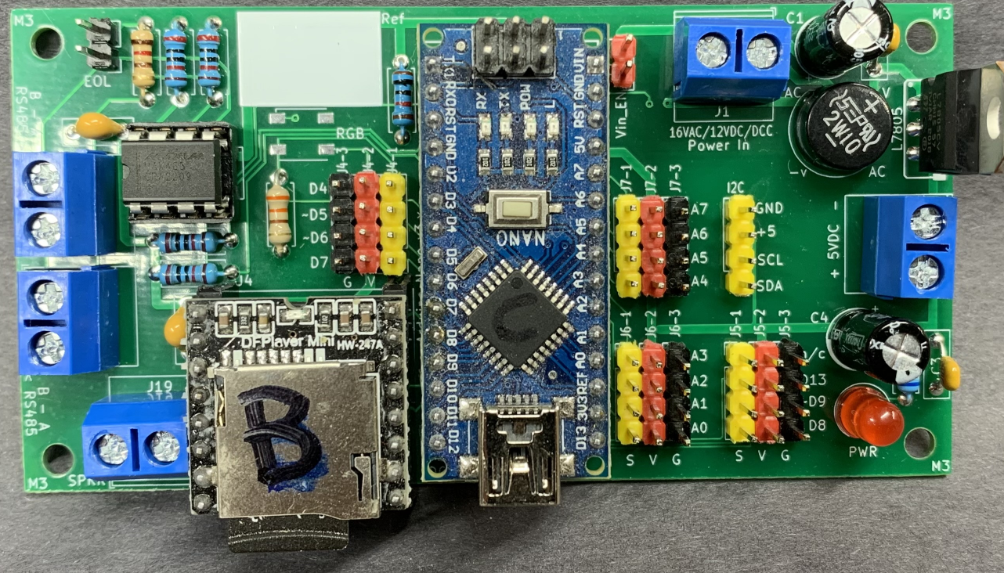

 | Arduino | Almost fully assembled board ready for testing.
 |  | At this point in time I was awaiting delivery of the bare neopixel chip.

 |  | The Arduino I/O pnis have been installed in a colour coded fashion.
 |  | I used all yellow header pins for the I2C header. Strictly speaking I should have used red for the +5, black for Gnd just to maintain colour consistency with the other headers.

 |  | TIP: Only solder one pin of any header and then check to make sure it is snug to the board. If it is not remelt the one pin and make it so. Only then solder the other pins. If a header is fully soldered in it is then difficult to melt all four pins to re-level it.
 |  | Only do one header at a time.

Arduino Header Pins
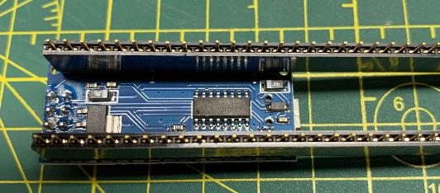
Arduinos can be soldered directly to the PCB
However I prefer to 'socket them' using a strip of female header pins. These can be bought very inexpensively and come in strips of '40'.
Link here
Here is how to cut them to length easily.
1) plug the strip of header pins onto the Arduino so the end arduino pin aligns with the end header pin. Here this is on the left side and the excess header pins all stick out to the right.

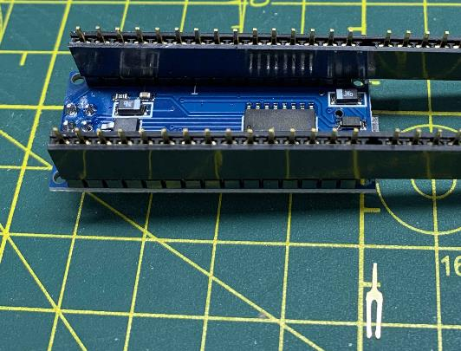

2) Locate where last Ardiuno PIN plugs in and then using needlenose pliers grab the next pin and gently pull it up and out of the housing. You can see the removed pin at the bottom of the photograph - it looks like a small tuning fork.

3) Do this on both sides as circled.

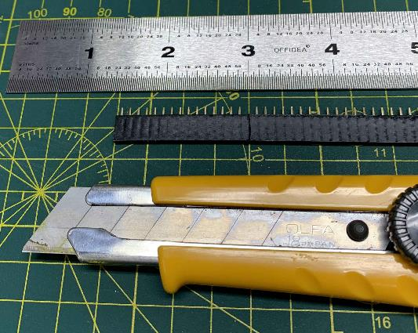
4) Remove the header pins from the Arduino and using a straight edge and sharp knife gently score the edge right where the pin was removed. A few passes pressing lightly is better than trying to press too hard. You do NOT need to cut through .. Only scoring is needed.

5) Then Between your fingers flex the hedaer pins back and forth around the score line. It should snap cleanly.

6) Here is the end product mounted to our Arduino.
7) I find it easiest to solder this 3 piece assembly Into the PCB. (only one pin on each side!). - Check for alignment and snugness to the PCB - (Remelt the solder and rework as needed.) - Finally solder all of the additional pins. Then you can test removing and reinserting the Arduino from the header pins. Verify it is installed the right way round! | 